P&L
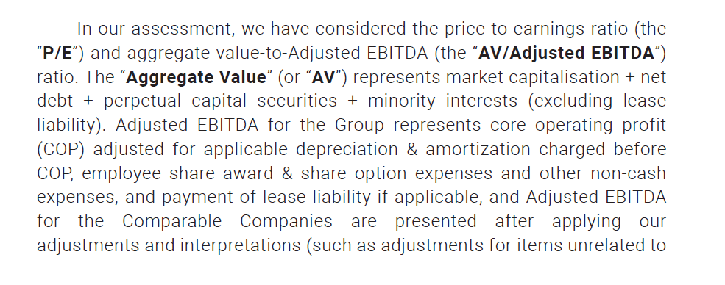
Li&Fung

 | At Privatisation and before |  |  |  | Harry added :
Continuing Business
USD'000 | 2019 | 2024 | 2025 | yoy growth | 2,026 | CAGR growth

Turnover | 11,413,312 | 6,591,103 | 6,050,908 | -8.2% | 6,353,445 | -1.8%
COS | (10,221,721) | (6,148,877) | (5,624,838) | -8.5%

Gross Profit | 1,191,591 | 442,226 | 426,070 | -3.7%
GPM % | 10.44% | 6.71% | 7.04%

Other income | 27,745 | 31,706 | 24,906 | -21.4%

Total Margin | 1,219,336 | 473,932 | 450,976 | -4.8%

Selling & Distribution Exp. | (384,973) | (78,243) | (76,299) | -2.5%
Merchandising & admin Exp. | (606,816) | (275,583) | (251,637) | -8.7%

Core Operating profit | 227,547 | 120,106 | 123,040 | 2.4% | 129,192

Gain on remeasurement of contingent consideration payable | 621 | - | -
Amortisation of other intangible assets | (26,534) | (10,082) | (12,955) | 28.5%
Non-recurring reorganisation costs | (46,825) | - | -
Other non-core operating exp. | (6,491) | (3,763) | (533) | -85.8%

Operating Profit | 148,318 | 106,261 | 109,552 | 3.1%

Interest Income | 11,531 | 15,403 | 13,836 | -10.2%

Finance costs
- early settlement of LT notes | (7,640) | - | -
- Non-cash interest exp | (15,302) | (2,413) | (2,016) | -16.5%
- cash int exp. | (66,844) | (30,869) | (36,571) | 18.5%
 | (89,786) | (33,282) | (38,587) | 15.9%
Shaer of net (losses)/ profits of asso | (36) | 12 | 10 | -16.7%

Profit before tax | 70,027 | 88,394 | 84,811 | -4.1%

Taxation | (15,756) | (22,355) | (14,710) | -34.2%
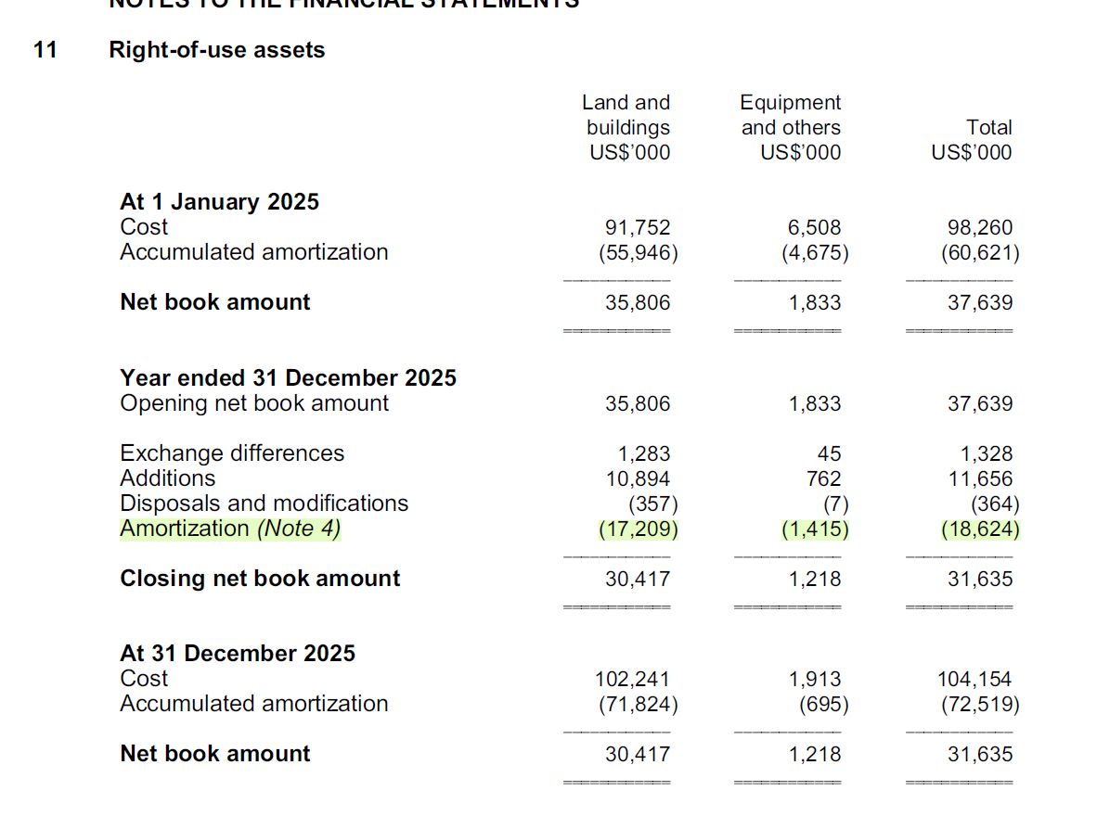
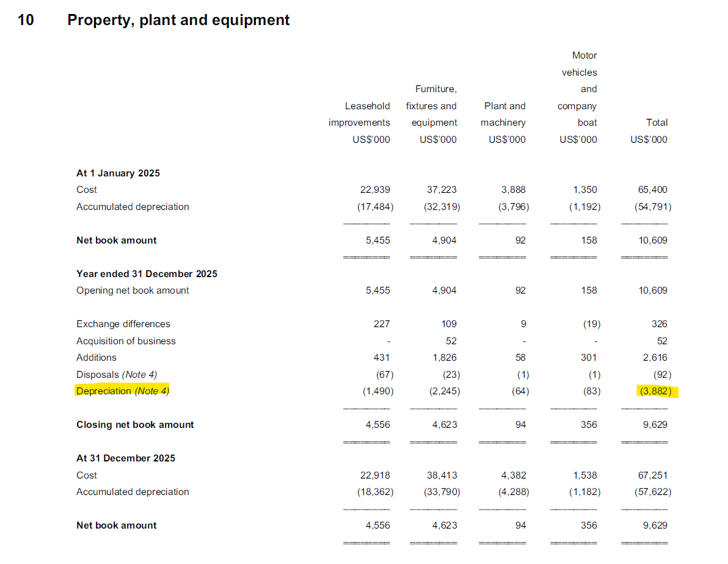
Profit for the year from Continuing Operations | 54,271 | 66,039 | 70,101 | 6.2%

Discontinued Operations
Loss for the year | - | - | -

Net Profit/ (Loss) for the year | 54,271 | 66,039 | 70,101 |  | 73,500 | 5.5%
NPM (%) | 0.48% | 1.00% | 1.16% |  | 1.16%

Profit/(loss) attributable to:
- Shareholders of the Co | 16,748 | 37,539 | 37,539
- Holders of perpetual capital securities | 34,125 | 32,375 | 32,375
- non-controlling interests | 3,398 | 187 | 187
 | 54,271 | 70,101 | 70,101

EBITDA | 221,056 | 116,343 | 122,507
EBIT | 148,318 | 106,261 | 109,552

Adjusted EBITDA (USD m) |  | 142 | 147 |  | 154 | 4.3%
- Core Operating Profit |  | 120,106 | 123,040 |  | 129,192 | 5%
- Depreciation of PPE |  | (3,487) | (3,882) |  | (3,882)
- Amoritzation of Rights-of-use assets |  | (17,847) | (18,624) |  | (18,624)
- Amortization of software dev. |  | (962) | (962) |  | (962)
 |  | 142,402 | 146,508 |  | 152,660
Adjusted EBITDA Margin (%) |  | 2.16% | 2.42% |  | 2.40% | 2.43%

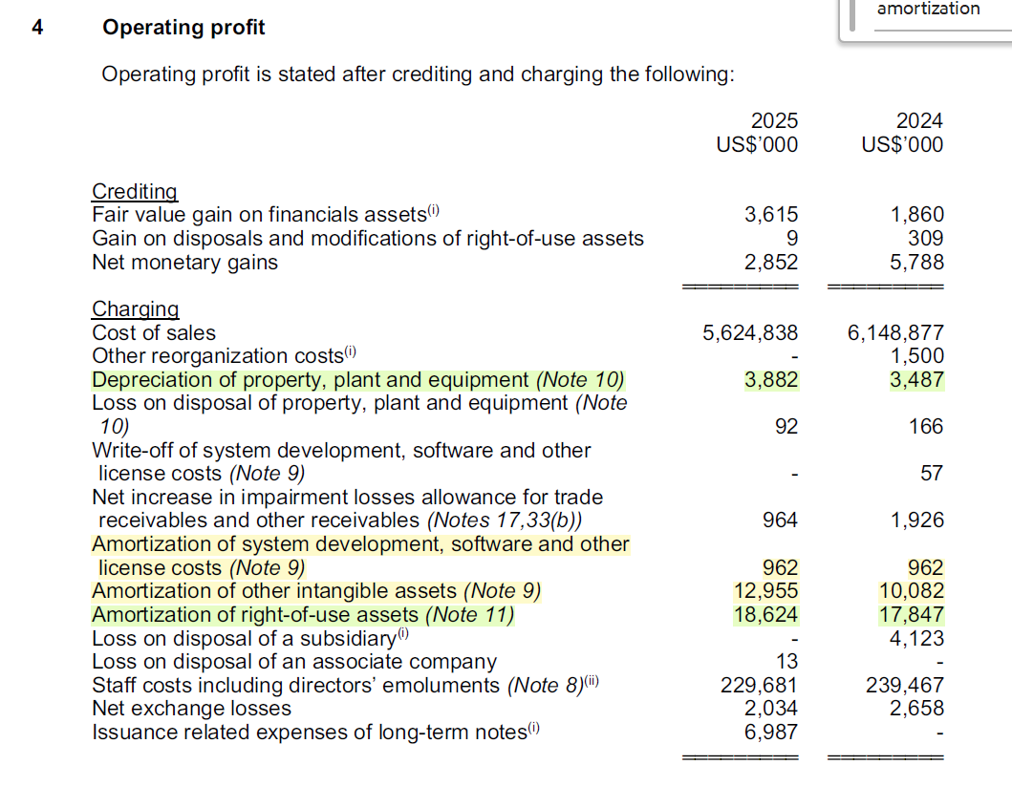
Avg Historical P/E Ratio | 11.3
AV/EBITDA Ratio | 7.6

Privatisation Price:
P/E Ratio | 18.5
AV/ Adjusted EBITDA | 8.4

Football Field
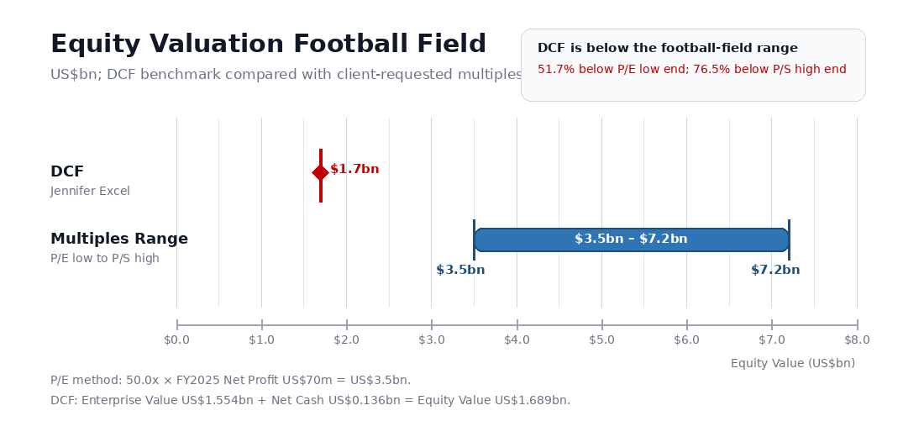
Equity Valuation Football Field
US$bn unless otherwise stated; multiples range compared with Jennifer's DCF output

Valuation Method | Low / Point | High | Source / Formula
DCF (Jennifer Excel) | $1.7 | $1.7 | Links to DCF!B105 / 1,000,000
P/E @ 50x FY2025 Net Profit | $3.5 | $3.5 | 50.0x × FY2025 net profit of US$70m
P/S implied equity value | $7.2 | $7.2 | User-provided P/S-implied equity value
Client Football Field Range | $3.5 | $7.2 | Low = P/E; High = P/S

Inputs / Bridge
FY2025 Net Profit (US$m) | 70.0
P/E Multiple (x) | 50
P/S Equity Value (US$bn) | 7.2
DCF Equity Value (US$bn) | 1.7
DCF Discount to Client Range Midpoint | -68.4%

Formula-driven football field grid (US$bn)
 |  |  |  | 0.0 | 0.5 | 1.0 | 1.5 | 2.0 | 2.5 | 3.0 | 3.5 | 4.0 | 4.5 | 5.0 | 5.5 | 6.0 | 6.5 | 7.0 | 7.5 | 8.0
DCF (Jennifer Excel) | $1.7 | $1.7 | Point marker
P/E @ 50x FY2025 Net Profit | $3.5 | $3.5 | Point marker
P/S implied equity value | $7.2 | $7.2 | Point marker
Client Football Field Range | $3.5 | $7.2 | Range bar

Key read-through |  |  |  | Interpretation: DCF sits left of the client-requested football field; the $3.5bn–$7.2bn range is driven by multiples, not DCF cash-flow support.
DCF output | US$1.7bn vs client range of US$3.5bn–US$7.2bn
Gap to P/E low end | 51.7% lower than US$3.5bn
Gap to P/S high end | 76.5% lower than US$7.2bn
Framing | Use DCF as downside / intrinsic-value anchor; multiples range reflects client-requested market framing

Presentation-ready visual below

